infomacion
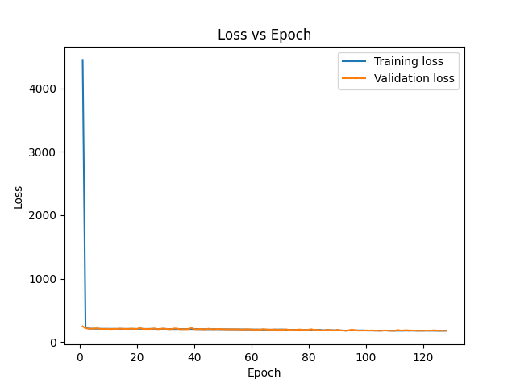
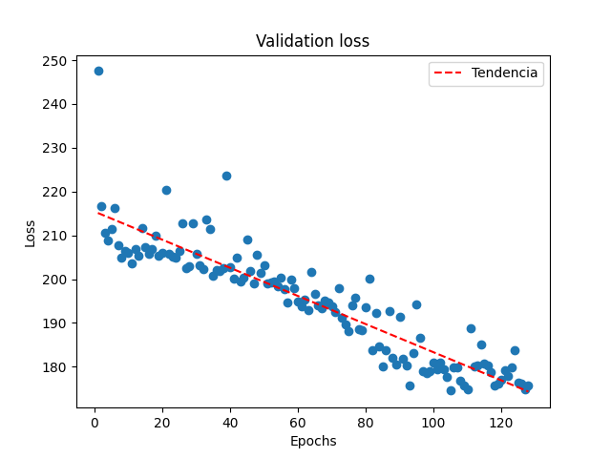
Epoch | Loss | MSE
1 | 4450.5825195 | 11.935271263
2 | 227.11747742 | 10.992803574
3 | 213.23727417 | 11.060585976
4 | 209.85797119 | 10.631727219
5 | 208.81495667 | 11.061756134
6 | 207.58209229 | 11.455984116
7 | 208.07510376 | 10.699116707
8 | 207.84997559 | 10.622862816
9 | 207.68624878 | 10.664227486
10 | 206.27972412 | 10.892008781
11 | 206.72810364 | 10.813239098
12 | 206.47720337 | 10.732542038
13 | 207.04853821 | 10.489257812
14 | 207.8167572 | 10.467670441
15 | 207.46221924 | 10.727905273
16 | 207.41090393 | 10.589349747
17 | 206.68629456 | 10.912680626
18 | 207.41925049 | 11.122829437
19 | 207.68707275 | 10.925146103
20 | 205.97297668 | 10.764523506
21 | 207.9150238 | 10.967961311
22 | 207.70526123 | 10.853211403
23 | 205.43386841 | 10.703279495
24 | 206.62358093 | 10.787243843
25 | 207.16275024 | 10.796359062
26 | 207.54537964 | 10.843019485
27 | 205.0899353 | 10.745479584
28 | 205.82810974 | 10.582838058
29 | 206.90161133 | 10.577039719
30 | 206.91740417 | 10.877795219
31 | 203.96734619 | 10.651851654
32 | 205.12123108 | 10.730578423
33 | 203.93363953 | 10.584241867
34 | 204.59645081 | 11.399504662
35 | 204.45271301 | 10.819289207
36 | 204.25488281 | 10.866560936
37 | 204.84796143 | 10.562594414
38 | 204.45848083 | 10.73445797
39 | 202.75038147 | 10.606687546
40 | 202.52200317 | 10.586658478
41 | 204.14698792 | 10.449511528
42 | 201.40208435 | 10.341732025
43 | 202.17250061 | 10.545582771
44 | 200.95126343 | 10.847476959
45 | 200.37466431 | 10.437070847
46 | 202.15736389 | 10.742670059
47 | 201.78541565 | 10.733094215
48 | 201.24629211 | 11.251864433
49 | 200.85638428 | 10.521532059
50 | 199.36865234 | 10.270545959
51 | 200.80383301 | 10.741488457
52 | 199.84411621 | 10.721698761
53 | 198.86582947 | 10.537504196
54 | 198.45536804 | 10.485481262
55 | 199.19096375 | 10.935506821
56 | 198.76885986 | 10.352232933
57 | 199.12944031 | 10.397720337
58 | 196.65969849 | 10.560646057
59 | 196.70663452 | 10.730399132
60 | 196.82574463 | 10.305951118
61 | 196.53036499 | 10.496833801
62 | 195.98121643 | 10.729641914
63 | 196.04309082 | 10.440848351
64 | 196.4407196 | 10.231245995
65 | 194.69355774 | 10.780960083
66 | 195.5249939 | 10.183532715
67 | 193.56958008 | 10.474515915
68 | 195.76159668 | 10.561220169
69 | 194.48937988 | 10.194488525
70 | 196.41296387 | 10.252012253
71 | 196.23268127 | 10.306105614
72 | 192.99824524 | 10.107222557
73 | 192.46911621 | 10.067996979
74 | 192.15914917 | 10.293120384
75 | 190.43325806 | 10.118914604
76 | 190.46665955 | 10.683129311
77 | 188.28860474 | 10.501302719
78 | 187.91954041 | 10.038609505
79 | 189.42034912 | 10.307779312
80 | 187.5809021 | 10.401409149
81 | 186.33358765 | 10.235569954
82 | 186.48352051 | 10.222294807
83 | 192.57829285 | 10.680814743
84 | 189.90696716 | 10.237998962
85 | 183.11778259 | 9.9206705093
86 | 187.73320007 | 10.244931221
87 | 183.70419312 | 10.074483871
88 | 186.30664062 | 10.125983238
89 | 183.29762268 | 9.9755601883
90 | 184.61488342 | 10.307016373
91 | 182.93231201 | 10.134913445
92 | 181.98965454 | 9.9771108627
93 | 178.17059326 | 9.840086937
94 | 180.58584595 | 10.152350426
95 | 179.00128174 | 11.04904747
96 | 181.85484314 | 9.9263734818
97 | 181.53781128 | 10.003846169
98 | 179.93655396 | 10.000056267
99 | 182.30639648 | 9.93887043
100 | 179.00361633 | 10.192584991
101 | 179.70484924 | 9.9601125717
102 | 178.9980011 | 9.9974117279
103 | 177.52418518 | 10.097064018
104 | 177.8366394 | 9.8159580231
105 | 179.45417786 | 9.8149719238
106 | 178.86479187 | 10.173666
107 | 179.74101257 | 9.706205368
108 | 177.21328735 | 9.7127895355
109 | 177.10919189 | 9.6300888062
110 | 177.47944641 | 9.7040462494
111 | 176.05999756 | 10.372115135
112 | 176.14222717 | 10.260444641
113 | 176.11058044 | 10.147500992
114 | 178.74893188 | 10.100111961
115 | 175.63801575 | 9.6733322144
116 | 178.56115723 | 10.19697094
117 | 177.56629944 | 10.004487038
118 | 176.3911438 | 9.8278274536
119 | 177.46220398 | 9.9938058853
120 | 175.85017395 | 9.8979110718
121 | 177.33084106 | 9.6346731186
122 | 176.5453186 | 9.6604347229
123 | 175.64532471 | 10.298048973
124 | 175.70028687 | 9.7065105438
125 | 175.80897522 | 10.074700356
126 | 175.21858215 | 10.067611694
127 | 176.13613892 | 9.6781644821
128 | 178.30755615 | 10.004862785

